Participants
Handsofthelp Learning & Training
 |  |  |  |  |  |  |  |  |  |  |  |  | RESULTS
 |  | ASSISTANCE |  |  |  |  |  | PAYMENTS
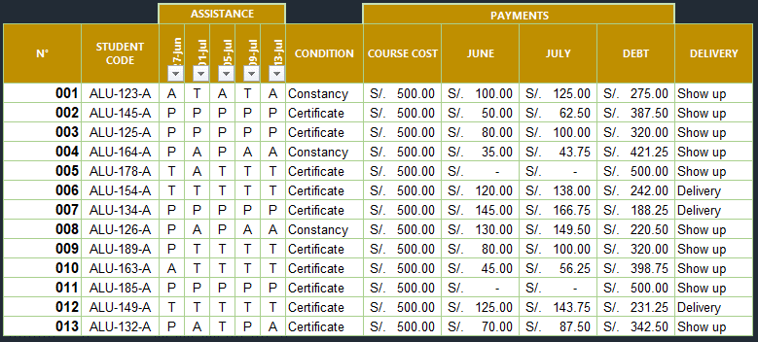
N° | STUDENT CODE | 2009-06-27 | 2009-07-01 | 2009-07-05 | 2009-07-09 | 2009-07-13 | CONDITION | COURSE COST | JUNE | JULY | DEBT | DELIVERY
001 | ALU-123-A | A | T | A | T | A |  | S/. 500.00 | S/. 100.00
002 | ALU-145-A | P | P | P | P | P |  | S/. 500.00 | S/. 50.00
003 | ALU-125-A | P | P | P | P | P |  | S/. 500.00 | S/. 80.00
004 | ALU-164-A | P | A | P | A | A |  | S/. 500.00 | S/. 35.00
005 | ALU-178-A | T | A | T | T | T |  | S/. 500.00 | S/. -
006 | ALU-154-A | T | T | T | T | T |  | S/. 500.00 | S/. 120.00
007 | ALU-134-A | P | P | P | P | P |  | S/. 500.00 | S/. 145.00
008 | ALU-126-A | P | A | P | A | A |  | S/. 500.00 | S/. 130.00
009 | ALU-189-A | P | T | T | T | T |  | S/. 500.00 | S/. 80.00
010 | ALU-163-A | A | T | T | T | T |  | S/. 500.00 | S/. 45.00
011 | ALU-185-A | P | P | P | P | P |  | S/. 500.00 | S/. -
012 | ALU-149-A | T | T | T | T | T |  | S/. 500.00 | S/. 125.00
013 | ALU-132-A | P | A | T | P | A |  | S/. 500.00 | S/. 70.00

CONDITION: Certificate is received if you have less than 3 absences, otherwise you receive constancy.
JULY: If the payment in JUNE is greater than 100, then 15% of JUNE, otherwise 25% of June
DEBT: COURSE COST - (JUNE + JULY)
DELIVERY: If you receive a certificate and your debt is less than 300, the delivery will be to DELIVERY otherwise SHOW UP.

A = Absense
T = Tardy
P = Present

